Requirements
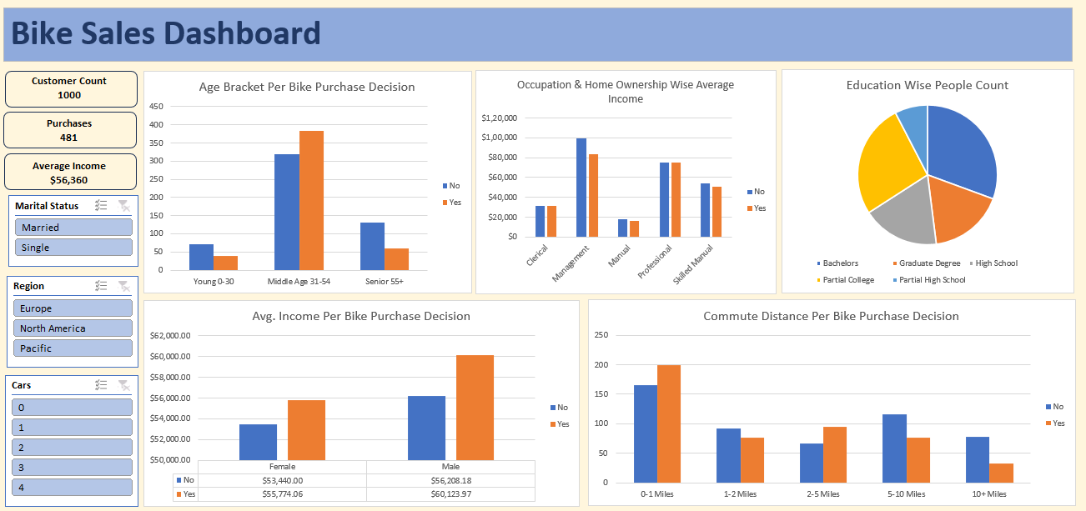

Project 3 - Bike Users Data

 | 1. Clean the data. Check for duplicate rows in the data.

 | 2. Pivot Insights
 | Generate following insights using pivot tables:
 | a) Gender wise Avg. Income Per Bike Purchase Decision.
 | b) Commute Distance Per Bike Purchase Decision.
 | c) Age Bracket Per Bike Purchase Decision.
 | d) Occupation & Home Ownership Wise Average Income.
 | e) People Count based on Education.

 | 3. Create a dashboard. Refer to the image of expected dashboard.

Pivot Tables
Avg. Income Per Bike Purchase Decision
Occupation & Home Ownership Wise Average Income
Average of Income | Column Labels |  |  | Average of Income | Column Labels
Row Labels | No | Yes | Grand Total | Row Labels | No | Yes | Grand Total
Female | $53,440 | $55,774 | $54,581 | Clerical | $31,111 | $31,053 | $31,073
Male | $56,208 | $60,124 | $58,063 | Management | $99,444 | $83,285 | $86,647
Grand Total | $54,875 | $57,963 | $56,360 | Manual | $17,551 | $16,143 | $16,723
 |  |  |  | Professional | $75,361 | $74,916 | $75,072
 |  |  |  | Skilled Manual | $53,750 | $50,765 | $51,608
 |  |  |  | Grand Total | $55,457 | $56,779 | $56,360

Commute Distance Per Bike Purchase Decision
Education Wise People Count
Count of Purchased Bike | Column Labels |  |  | Row Labels | Count of ID
Row Labels | No | Yes | Grand Total | Bachelors | 306
0-1 Miles | 166 | 200 | 366 | Graduate Degree | 174
1-2 Miles | 92 | 77 | 169 | High School | 179
2-5 Miles | 67 | 95 | 162 | Partial College | 265
5-10 Miles | 116 | 76 | 192 | Partial High School | 76
10+ Miles | 78 | 33 | 111 | Grand Total | 1000
Grand Total | 519 | 481 | 1000

Age Bracket Per Bike Purchase Decision
Count of Purchased Bike | Column Labels
Row Labels | No | Yes | Grand Total
Young 0-30 | 71 | 39 | 110 | Row Labels | Count of ID | Average of Income
Middle Aged 31-54 | 318 | 383 | 701 | Female | 489 | $54,581
Senior 55+ | 130 | 59 | 189 | Male | 511 | $58,063
Grand Total | 519 | 481 | 1000 | Grand Total | 1000 | $56,360
 |  |  |  |  |  |  |  | IDs
 |  |  |  |  |  |  |  | 1000

 |  |  |  | Count of ID
 |  |  |  | 1000 |  |  |  | Avg Income
 |  |  |  |  |  |  |  | $56,360

 |  |  |  | Row Labels | Count of Purchased Bike |  |  | Purchases
 |  |  |  | Yes | 481 |  |  | 481
 |  |  |  | Grand Total | 481

BikeSalesDashboard
Bike Sales Dashboard

Age Bracket Per Bike Purchase Decision
 | No | Yes
Young 0-30 | 71 | 39
Middle Aged 31-54 | 318 | 383
Senior 55+ | 130 | 59
Occupation & Home Ownership Wise Average Income
 | No | Yes
Clerical | $31,111 | $31,053
Management | $99,444 | $83,285
Manual | $17,551 | $16,143
Professional | $75,361 | $74,916
Skilled Manual | $53,750 | $50,765
Education Wise People Count
 | Total
Bachelors | 306
Graduate Degree | 174
High School | 179
Partial College | 265
Partial High School | 76
Customer Count
1000

Purchases
481

Average Income
$56,360

Avg. Income Per Bike Purchase Decision
 | No | Yes
Female | $53,440 | $55,774
Male | $56,208 | $60,124
Commute Distance Per Bike Purchase Decision
 | No | Yes
0-1 Miles | 166 | 200
1-2 Miles | 92 | 77
2-5 Miles | 67 | 95
5-10 Miles | 116 | 76
10+ Miles | 78 | 33

 | 1000

